Hiearchy View
CLASS: PEDESTRIAN SIGNAL HEAD LENS
special types of traffic-signal indications installed for the exclusive purpose of controlling pedestrian traffic. |  | 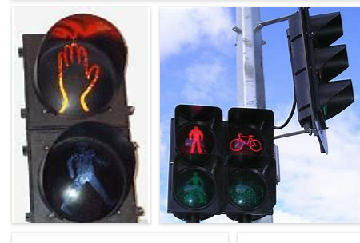
REMOVE | N

PROBLEM_DESC | CAUSE_DESC | REMEDY_DESC
BROKEN/DAMAGED
LIGHTING
OTHER PROBLEM
POWER-ELEC
STOPPED/SLOWED/POOR OPS
TEMP-CTRL
VIBRATION
Grand Total

